Implementation Plan GDAS
 | 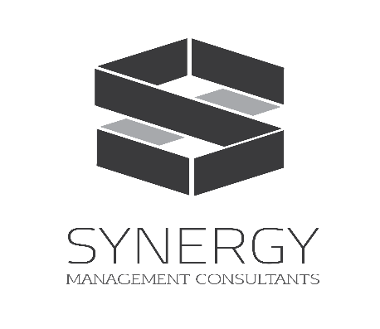 |  |  |  |  |  | Award Number: CS/KBL/09/20/055 Project Location: Kabul Afghanistan Project Title: AQL - GDAS Competency-Based Professional Development (Training Packages) Project Start Date: April 2021 Project End Date: August 2021
Objective | Activity | Responsible | Status | Traffic Light (Red, Yellow, Green) | April |  |  |  | May |  |  |  | June |  |  |  | July |  |  |  | August
 |  |  |  |  | 1 | 2 | 3 | 4 | 1 | 2 | 3 | 4 | 1 | 2 | 3 | 4 | 1 | 2 | 3 | 4 | 1 | 2 | 3
Project Set up
Contracting completed | Complete contracting with client | SMC Leadership | Done | Done
 | Complete contract with Consultants | SMC Leadership | Done | Done
TWG set up | Idenify key responsibilties of TWG members and obtain agreement | Project Coordinator/ Manager & AQLC | Done | Done
 | Get clearance on modality | Project Coordinator/ Manager & AQLC | Done | Done
 | Hold official first meeting with TWG and introduce consultants | Project Development team and AQLC | in progress | in progress
Inception report development and approval | Draft inception report | SMC | Done | Done
 | Submit to client | SMC | Done | Done
 | Provide approval | AQLC | in progress | in progress
Set-up Activities | Training outlines Developed | Content Development Team | Done | Done
 | Approval obtained from client | Project Coordinator/ Manager | in progress | in progress
 | Module Framework Template Developed | Content Development Team | in progress | in progress
Content Development
#REF! | Module Framework Developed | Content Development Team | in progress | in progress
 | Draft Development | Content Development Team | in progress | in progress
 | Review and Feedback | TWG
 | Adjustment | Content Development Team
 | Translation | Translation Team
#REF! | Module Framework Developed | Content Development Team
 | Draft Development | Content Development Team
 | Review and Feedback | TWG
 | Adjustment | Content Development Team
 | Translation | Translation Team
#REF! | Module Framework Developed | Content Development Team
 | Draft Development | Content Development Team
 | Review and Feedback | TWG
 | Adjustment | Content Development Team
 | Translation | Translation Team
#REF! | Module Framework Developed | Content Development Team
 | Draft Development | Content Development Team
 | Review and Feedback | TWG
 | Adjustment | Content Development Team
 | Translation | Translation Team
#REF! | Module Framework Developed | Content Development Team
 | Draft Development | Content Development Team
 | Review and Feedback | TWG
 | Adjustment | Content Development Team
 | Translation | Translation Team
#REF! | Module Framework Developed | Content Development Team
 | Draft Development | Content Development Team
 | Review and Feedback | TWG
 | Adjustment | Content Development Team
 | Translation | Translation Team
#REF! | Module Framework Developed | Content Development Team
 | Draft Development | Content Development Team
 | Review and Feedback | TWG
 | Adjustment | Content Development Team
 | Translation | Translation Team
#REF! | Module Framework Developed | Content Development Team
 | Draft Development | Content Development Team
 | Review and Feedback | TWG
 | Adjustment | Content Development Team
 | Translation | Translation Team
#REF! | Module Framework Developed | Content Development Team
 | Draft Development | Content Development Team
 | Review and Feedback | TWG
 | Adjustment | Content Development Team
 | Translation | Translation Team

Piloting
Selection of training for piloting | Identification of pilot training | SMC Leadership/Content Development team
 | Approval by Client | TWG
Piloting guide and assessment tool development | Prepare TOT guideline | Content Development team
 | Develop training assessment form, | Content Development team
ToT implementation | Introduction and selection of Master Trainers | GDAS
 | Hold TOT workshop for master trainers | National Consultant
Cascade | Casecade training to district and province level academic supervisors, Share feedback and experiences of the participants with lead consultant. | Master Trainer
Closeout
Final Report | Draft and submit Final report | SMC
 | Provide Final approval for report and material | AQLC

